eWork Create Customer
[eWork] Create Customer

Test Case ID | Title / Description | Precondition | Test Data | Test Steps | Expected Result | Status (Pass/Fail)
EWRKC-001 | Create customer with valid data | - User already create company - User already install eWork application |  | - User open app - User navigate to cusotmer page - User click add customer button - User input valid data - User submit customer | - Customer created | Fail
EWRKC-002 | Create customer with empty field | - User already create company - User already install eWork application |  | - User open app - User navigate to cusotmer page - User click add customer button - User not input data - User submit customer | - Unable create customer | Fail
EWRKC-003 | Create customer with invalid data | - User already create company - User already install eWork application |  | - User open app - User navigate to cusotmer page - User click add customer button - User input invalid data - User submit customer | - Unable create customer | Fail

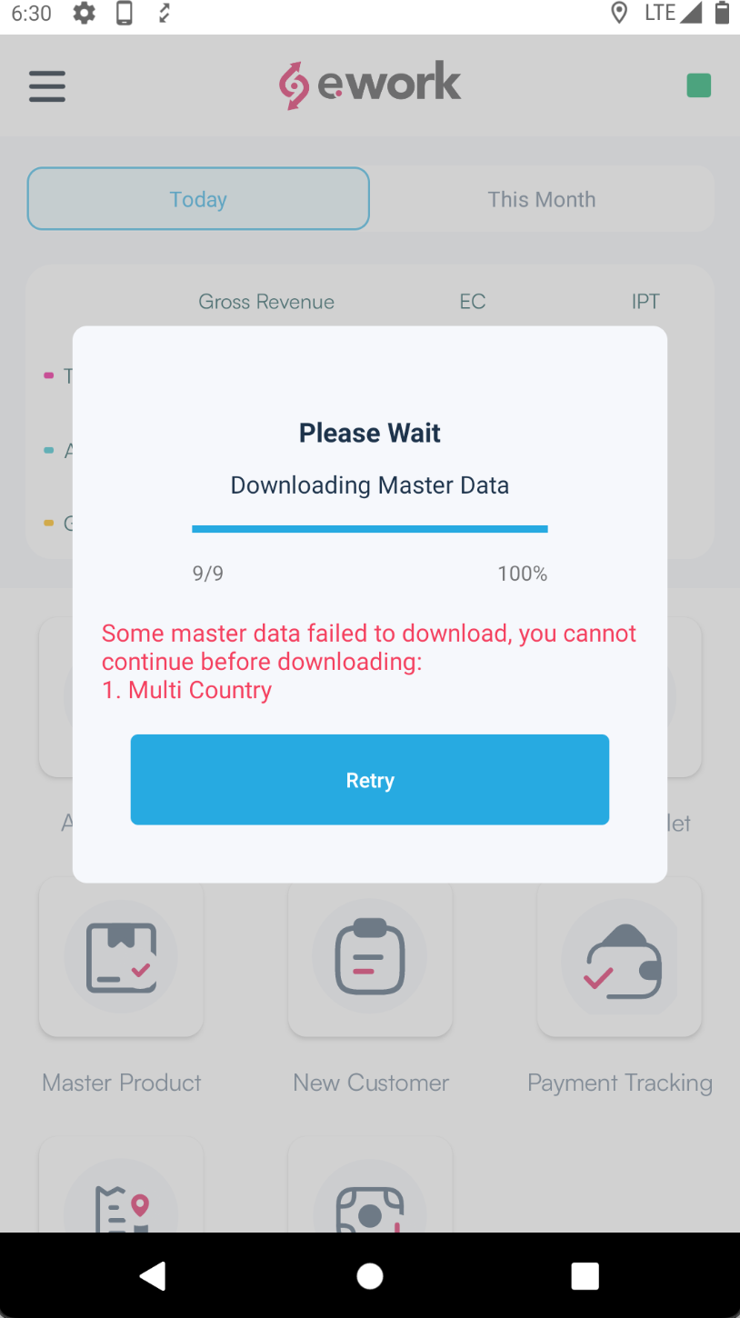
Note: there is error when download Master data and unable to retry

